Sheet1

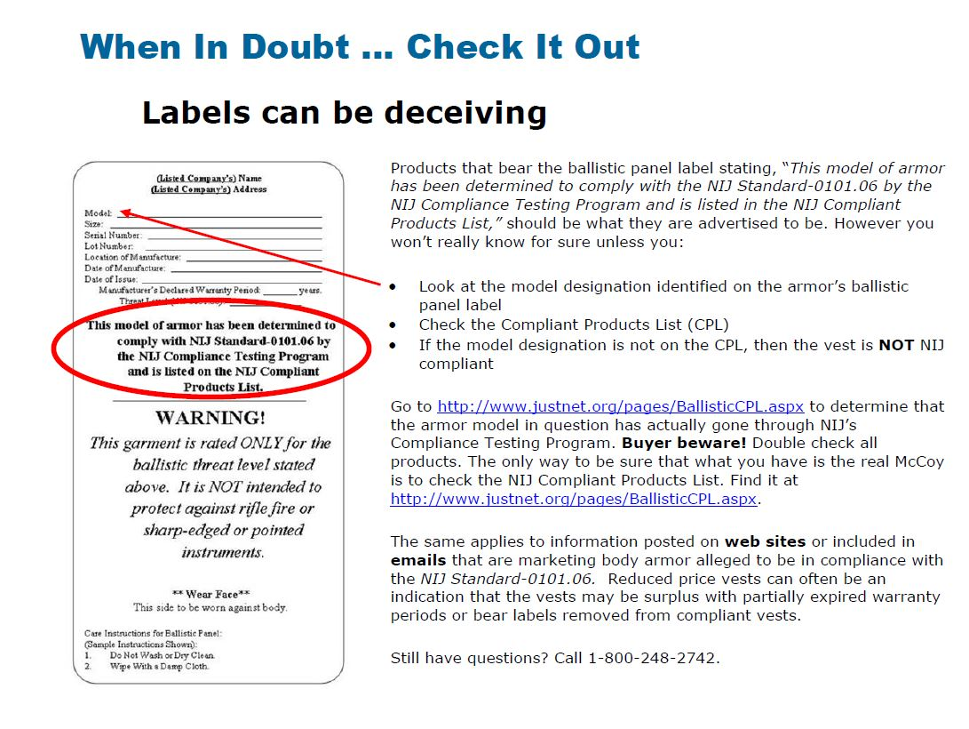
 |  |  | Kentucky Office of Homeland Security
 |  |  | Law Enforcement Protection Program
 |  |  | Request for Reimbursement

Legal Applicant
Project Contact Name |  |  |  | Title
Phone |  |  |  | Email Address

Reimbursement Information

Date | Invoice # |  | Description of Items Purchased |  |  |  | Amount

 |  |  | Total Requested |  |  |  | $0.00

Certification: I hereby certify that the actual costs incurred are valid and consistent with the terms of the grant agreement and all required documentation is attached.

Print Name |  |  |  |  |  | Title

Authorized Recipient Signature |  |  |  |  |  | Date

Required Documentation: |  | ● Law Enforcement Protection Program Request for Reimbursement ● Invoice(s) ● Copy of front and back of cancelled check(s)
Mail request for reimbursement and required documentation to:
Kentucky Office of Homeland Security Law Enforcement Protection Program 200 Mero Street ∙ Frankfort, Kentucky 40622
For Office of Homeland Security Use Only
Award Amount |  | $ |  |  |  | Program Code
Reimbursements to Date |  | $
Reimbursement Amount |  | $ |  | Final Request? | Yes |  | No
Account Balance |  | $

 |  | Project Period ________________________ Invoice Dates _______________________
 |  | Authorized official signature
 |  | Complete documentation attached (invoices, cancelled checks)

Reviewed By |  |  |  |  |  | Date

Approved By |  |  |  |  |  | Date

Comments

