Instructions
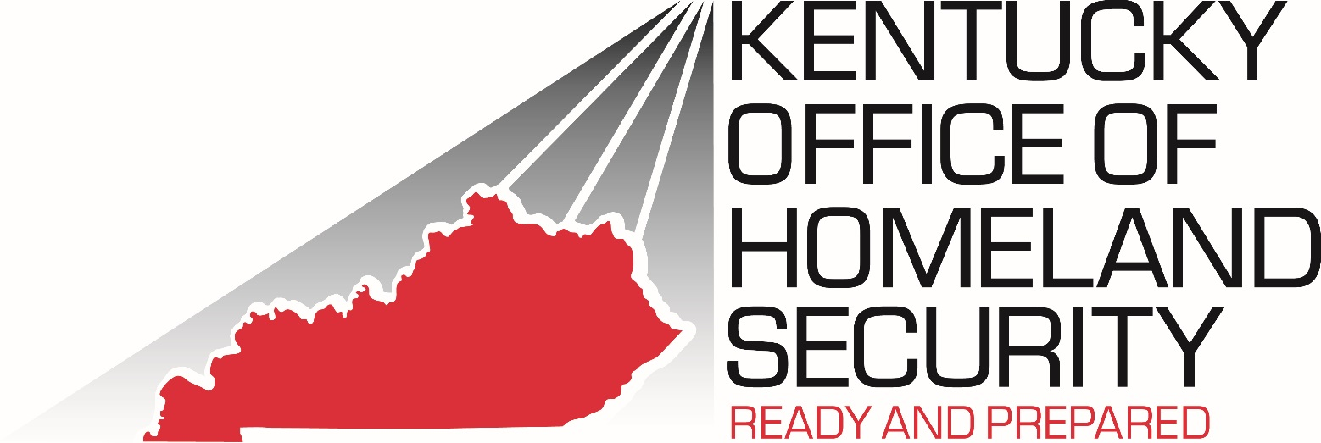
2022 Nonprofit Security Grant Program (NSGP)
Instructions
General Information: 1. Start by entering information in the Applicant Information worksheet. The Fiscal Agent must be someone different than the Project Manager or Authorized Individual. The Authorized Individual and Project Manager can be the same person. Original signatures are required. 2. Enter information for all your projects in the Project worksheet. The total amount will autopopulate.
Project Information: 1. Complete a separate line for each project. Rule of thumb: if it needs another AEL #, use another line number! 2. All fields must be completed to ensure acceptance of the grant application. 3. Enter AEL Code for all equipment items. Refer to the AEL worksheet. 4. Expenditure Descriptions should be detailed enough to identify the type of expense, but it is not necessary to list every individual item/component.
*** Applications MUST be emailed to Jennifer.Annis@ky.gov, Anna.Roaden@ky.gov, & Jodie.Willams@ky.gov by COB on Wednesday June 1, 2022. The signed original hardcopy of the 2022 NSGP Grant Application MUST be postmarked by COB Wednesday June 1, 2022 ***
*** Applications received after the deadline cannot be accepted ***
The complete application package (one signed, orginal and one copy.) must include the following attached documents:
1. 2022 Mission Statement
2. The 2022 NSGP Investment Justification (Application Form)
3. For Non-Faith Based Organizations: 501 c(3) Recognition of Tax Exemption
4. The 2022 Budget Template Final
5. One quote to support the cost of equipment, trainng/exercises, and contract security
6. The 2022 Nonprofit Vulnerability-Risk Assessment
7. Copy of the Authorized Equipment List page for the proposed equipment.
Please do not staple the grant application. Use binder clips or rubberbands.

The signed original hardcopy of the 2022 NSGP Grant Applicatin must be mailed to KOHS by COB Wednesday, June 1, 2022 to:
Kentucky Office of Homeland Security
Attn: Jennifer Annis
200 Mero Street
Frankfort, KY 40622

Applicant Information
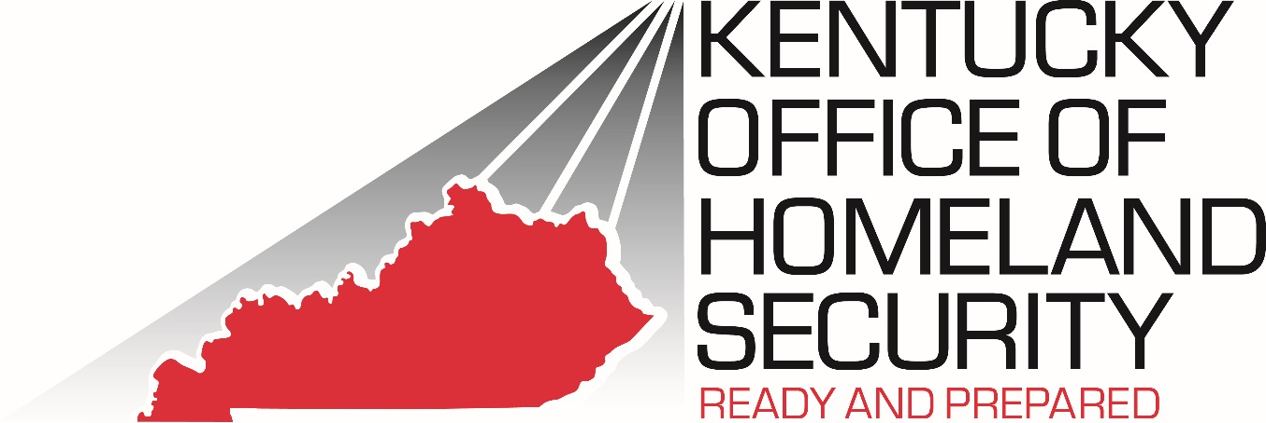 2022 Nonprofit Security Grant Program (NSGP) - CFDA 97.008

APPLICANT INFORMATION

State: | Kentucky

Organization Name:

Grant Program: | Nonprofit Security Grant Program (NSGP)

POINT OF CONTACT
1. Authorized Official
Name
Position
Mailing Address
City, State, Zip
Phone (no spaces)
E-mail Address
Signature

2. Project Manager
Name
Position
Mailing Address
City, State, Zip
Phone (no spaces)
E-mail Address
Signature

3. Fiscal Officer
Name
Position
Mailing Address
City, State, Zip
Phone (no spaces)
E-mail Address
Signature

