Applicant Information
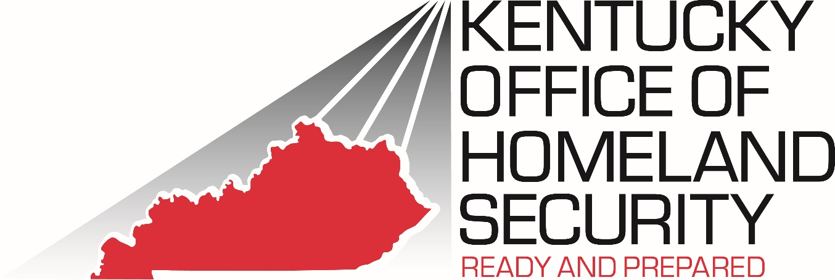 2024 Nonprofit Security Grant Program (NSGP) - CFDA 97.008

APPLICANT INFORMATION

State: | Kentucky

Organization Name:

Grant Program: | Nonprofit Security Grant Program (NSGP)

POINT OF CONTACT
1. Authorized Official
Name
Position
Mailing Address
City, State, Zip
Phone (no spaces)
E-mail Address
Signature

2. Project Manager
Name
Position
Mailing Address
City, State, Zip
Phone (no spaces)
E-mail Address
Signature

3. Fiscal Officer
Name
Position
Mailing Address
City, State, Zip
Phone (no spaces)
E-mail Address
Signature

